Child labour
TABLE 37- CHILDREN BY AGE GROUP, SEX AND TYPE OF ACTIVITY, 2012 - 2016

(Thousands)
Age group and sex | Number of children |  |  | Engaged in economic activity |  |  | Engaged in household chores
 | 2012 (Oct.-Nov.-Dec.) | 2016 (Oct.-Nov.-Dec.) |  | 2012 (Oct.-Nov.-Dec.) | 2016 (Oct.-Nov.-Dec.) |  | 2012 (Oct.-Nov.-Dec.) | 2016 (Oct.-Nov.-Dec.)
TURKEY
Total | 15247 |  |  | 893 |  |  | 7503
6-14 | 11386 |  |  | 292 |  |  | 5290
15-17 | 3861 |  |  | 601 |  |  | 2213
Male | 7775 |  |  | 614 |  |  | 3243
6-14 | 5794 |  |  | 185 |  |  | 2401
15-17 | 1981 |  |  | 430 |  |  | 842
Female | 7472 |  |  | 279 |  |  | 4261
6-14 | 5592 |  |  | 108 |  |  | 2889
15-17 | 1880 |  |  | 171 |  |  | 1372
Total
Total
Total
Total
Total
Total
Total
Total
Male
Male
Female
Female
Thousands
Thousands
2.1. Non institutional civil population by age group, sex and employment status, Urban
3.1. Non institutional civil population by age group, sex and employment status, Rural
[ Age 6 for the year 1994, Age 6 and above for the year 1999 ]
[ Age 6 for the year 1994, Age 5 and above for the year 1999 ]
Total
Total
Total
Total
Total
Total
Total
Total
Male
Male
Female
Female
Thousands
Thousands
2.1. Non institutional civil population by age group, sex and employment status, Urban
3.1. Non institutional civil population by age group, sex and employment status, Rural
[ Age 6 for the year 1994, Age 6 and above for the year 1999 ]
[ Age 6 for the year 1994, Age 5 and above for the year 1999 ]
URBAN
Total | 10139 |  |  | 400 |  |  | 5479
6-14 | 7567 |  |  | 79 |  |  | 3888
15-17 | 2572 |  |  | 322 |  |  | 1591
Male | 5157 |  |  | 302 |  |  | 2460
6-14 | 3845 |  |  | 57 |  |  | 1829
15-17 | 1312 |  |  | 246 |  |  | 631
Female | 4982 |  |  | 98 |  |  | 3020
6-14 | 3722 |  |  | 22 |  |  | 2059
15-17 | 1260 |  |  | 76 |  |  | 960
RURAL
Total | 5108 |  |  | 493 |  |  | 2024
6-14 | 3819 |  |  | 214 |  |  | 1402
15-17 | 1290 |  |  | 279 |  |  | 622
Male | 2618 |  |  | 312 |  |  | 783
6-14 | 1948 |  |  | 128 |  |  | 572
15-17 | 669 |  |  | 184 |  |  | 211
Female | 2491 |  |  | 181 |  |  | 1241
6-14 | 1870 |  |  | 86 |  |  | 830
15-17 | 620 |  |  | 95 |  |  | 411
27

TABLE 38- JUVENILES RECEIVED INTO SECURITY UNIT BY REASON FOR RECEPTION, 2012-2016

A. Total B. Male C. Female
Reason for reception | 2012 |  |  | 2013
 | A | B | C | A | B | C
Working on the streets | 2 213 | 1 950 | 263 | 1 574 | 1 327 | 247
Living on the streets | 17 | 10 | 7 | 15 | 12 | 3
TABLE 39- LABOUR FORCE STATUS OF THE NON-INSTITUTIONAL CHILD POPULATION

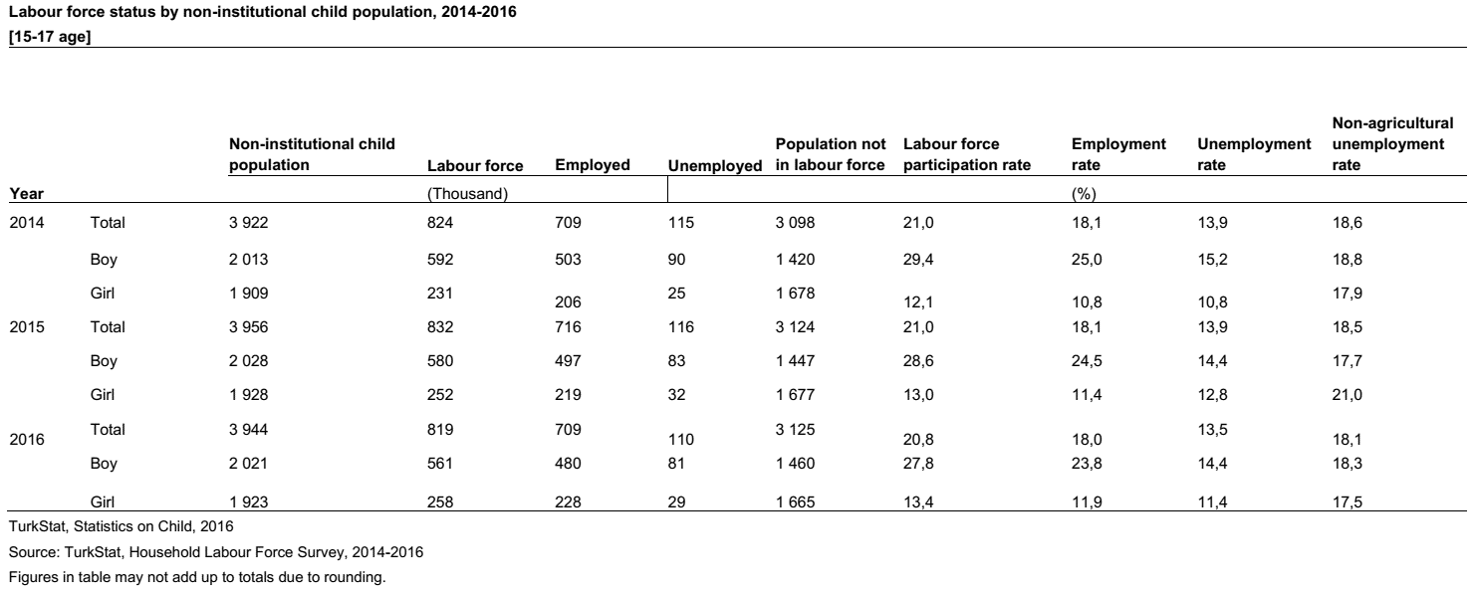

28

